Example - Project
 | Description | Example
Name | (Name of project) | Bontrax Ranger (Building Hiking / Treking App)
Mentor's/PM Name
Context | (Introduction about project) | In Sweden, hiking / treking is a very popular out-door activity. So that rising the need of application can tracking these activity. Functionality is built up around maps, planning features and content, articles, video, POIs etc. Bontrax will have hired editors publishing a large number of articles and other content in multiple languages. The mobile App will be an extension of the web site where stored planning can be loaded to the map and be provided off-line when hiking or trekking in the wilderness or in the mountains with no internet connection. Additional information Target groups for this service 1.Primary target group is male/female age 35 + without small children(couples/singles) (60 %) 2.Second Target group you people age 20-25 without children(25 %) 3.Third target group is families with kids (15%) Types of behavior that needs to be supported on web site and app 1.Tour/Hike during daytime (Hiking) - Prepared paths no pre-planning 2.Trekking with overnight/weekend stay (Trekking/Rambling). often no paths etc. rough terrain. Medium planning 3.Trekking 4 days up to 1-2 weeks. Requires detailed planning and prior training. 4.Adventure (Long trekking in high mountains/rough environment.
Requirement - Phase # 1 | (Detail requirement) Some notes: - Project should be fit with program and internship student level. (Mentor also should provide training materials so that students can fast learning and fast working in this project) - Project should be detail and can be easily managed by mentor (Mentor should finish in the past this type of project) | Website -User accounts with lots of data stored on user, maps, tracks, recorded tracks from app etc. -Select maps and store selection on your profile. 2 map types Terrängkartan och Fjällkartan (.kmx format) provided by Bontrax. Maps are divided in to smaller map areas. Area maps of interest will be selected -View maps with zoom functions -View different kind of selectable information layers shown on top of the map (POI, Articles, Weather, Cabins, Videos etc) -View tracks saved from mobile app -For your information: Bontrax uses the name BTX-tracks as a name of the tracks provided by Bontrax to the users. Suggetes tracks for hikes in the selected area. Etc. Tracks must be saved in GPX-format (standard) -Planning tool for hiking oCreate tracks on map, Save and store on your profile (GPX file format) -Editor functions oArticle oEvent Calender (categories and geo position of event) oGeoposition articles oMultilanguage support (Swedish English from start) oShow video (you tube) together with Article oShow map together with Article oCreate POI (Point of Interest with geo positioning + altitude) on articles to show as layer on maps. -Show weather info from Swedish Weather forecast (Integration) as a map layer. -Show STF Cabins as a map layer (provided in excel format with geoposition) -Create user account (Username and password or FB or Google login) oRegistered users will be able to do more functions and save and store data under the profile. -Push notifications – Editors should be able to push information’s from website to BTX app users located in a specific geographic area.
Requirement - Phase # 2 |  | The mobile app -IOS only for the first prototype version -Show map -Selected area maps, content and layers, make available off line -Zoom on maps -Starting point on map using GPS -Take me back GPS function to starting point -Show POI and other information on maps from multiple layers of content oCambin/huts/Rifugio provided by STF (Excel or XML file) oContent Articles, video, images/photos published on the web site oShow weather as layer on map (integration with from SMHI) Resources: SMHI wether service API: opendata-download-metobs.smhi.se/api/version/latest.xml sample: http://opendata.smhi.se/apidocs/metobs/codeexamples.html. -Show user created tracks provided by the website, Stored on your profile (registrerd users) -Record your Track/route when hiking (stores on your phone and uplods when on-line to your profile on web site (See the app “Runkeeper” as sample of how to record tracks/routes) -Enamble 3D- AR (Augumented reality) wher POIs are shown in live camera view Samples of augmented reality on iPhone: http://www.iphoneness.com/iphone-apps/best-augmented-reality-iphone-applications/
UI/UX Demo | this Part can be bring from you as a mentor or it can be able for the team to create it | 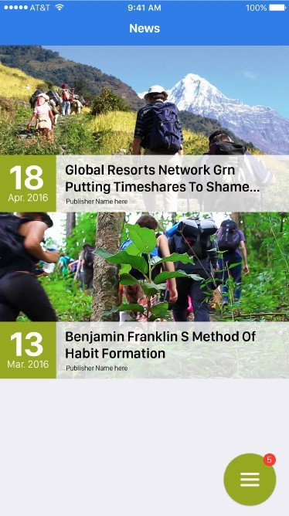 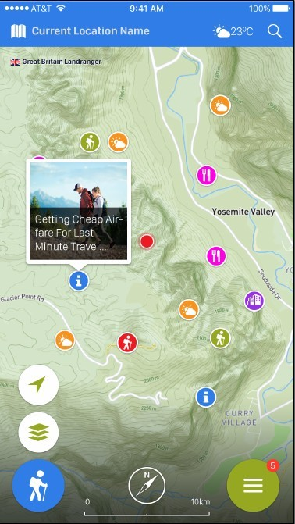 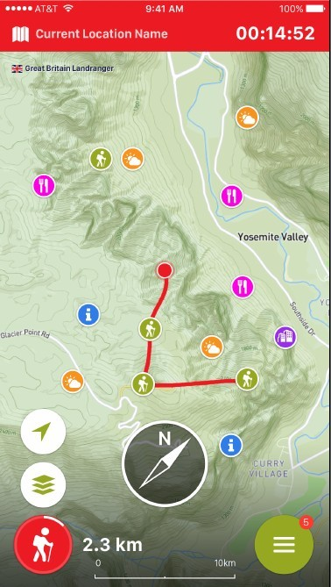
Documentation | (all reference docs) | 1. Planning time (file planning.xlsx) 2. Specification (file specification-v0.01.doc) 3. UI (file UI.zip)
Assessment | (assessment form) Some note: Aspects for rating product: - The completion of product. - UI/UX (can consult DONT MAKE ME THINK ebook) - Coding convention - Coding quality (DRY, SOLID, SMART principle) - Specs and manual documents. | 1. Form for internship 2. Form for mentor 3. Form for project

.net - CMS
 | Description | Example
Name | (Name of project) | E-leanring website
Mentor's/PM Name
Context | (Introduction about project) | e-learning is electronic learning, and typically this means using a computer to deliver part, or all of a course whether it's in a school, part of your mandatory business training or a full distance learning course. There are several benefits to e-learning whether you choose to use it on its own, or to enhance your existing in house training. We've listed a few below, but for more information on how your business can save time and money you can call today and speak to one of our Ilkley based support team. - It's cost effective and saves time: By reducing the time taken away from the office, removing travel costs and doing away with printed materials, online learning helps you to save money and increase workplace productivity. It also means your staff will be happier and focussed. - Learning 24/7, anywhere:Many face to face courses only operate within normal office hours. By allowing staff to complete the course when and where they like you can make sure disruptions to your busy working schedule are minimised. This also means that your staff will be happier because they don't need to travel to specific training centres, and if they have important work to catch up on mandatory training can be done outside of office hours in exchange for lieu time. Most of our courses have an average learning time, and our CPD approved courses allow learners to print out certificates of proof.
Requirement - Phase # 1 | (Detail requirement) Some notes: - Project should be fit with program and internship student level. (Mentor also should provide training materials so that students can fast learning and fast working in this project) - Project should be detail and can be easily managed by mentor (Mentor should finish in the past this type of project) | Website: - Using Episerver CMS 9.7 to build an e-learning website - Create Mega menu with multiple levels - Search, filter courses funtionality - Multiple languages support - Courses landing page, detail page. - using Bootstrap, HTML 5 to make responsive design for website, do some aninations
Requirement - Phase # 2
UI/UX Demo | this Part can be bring from you as a mentor or it can be able for the team to create it | 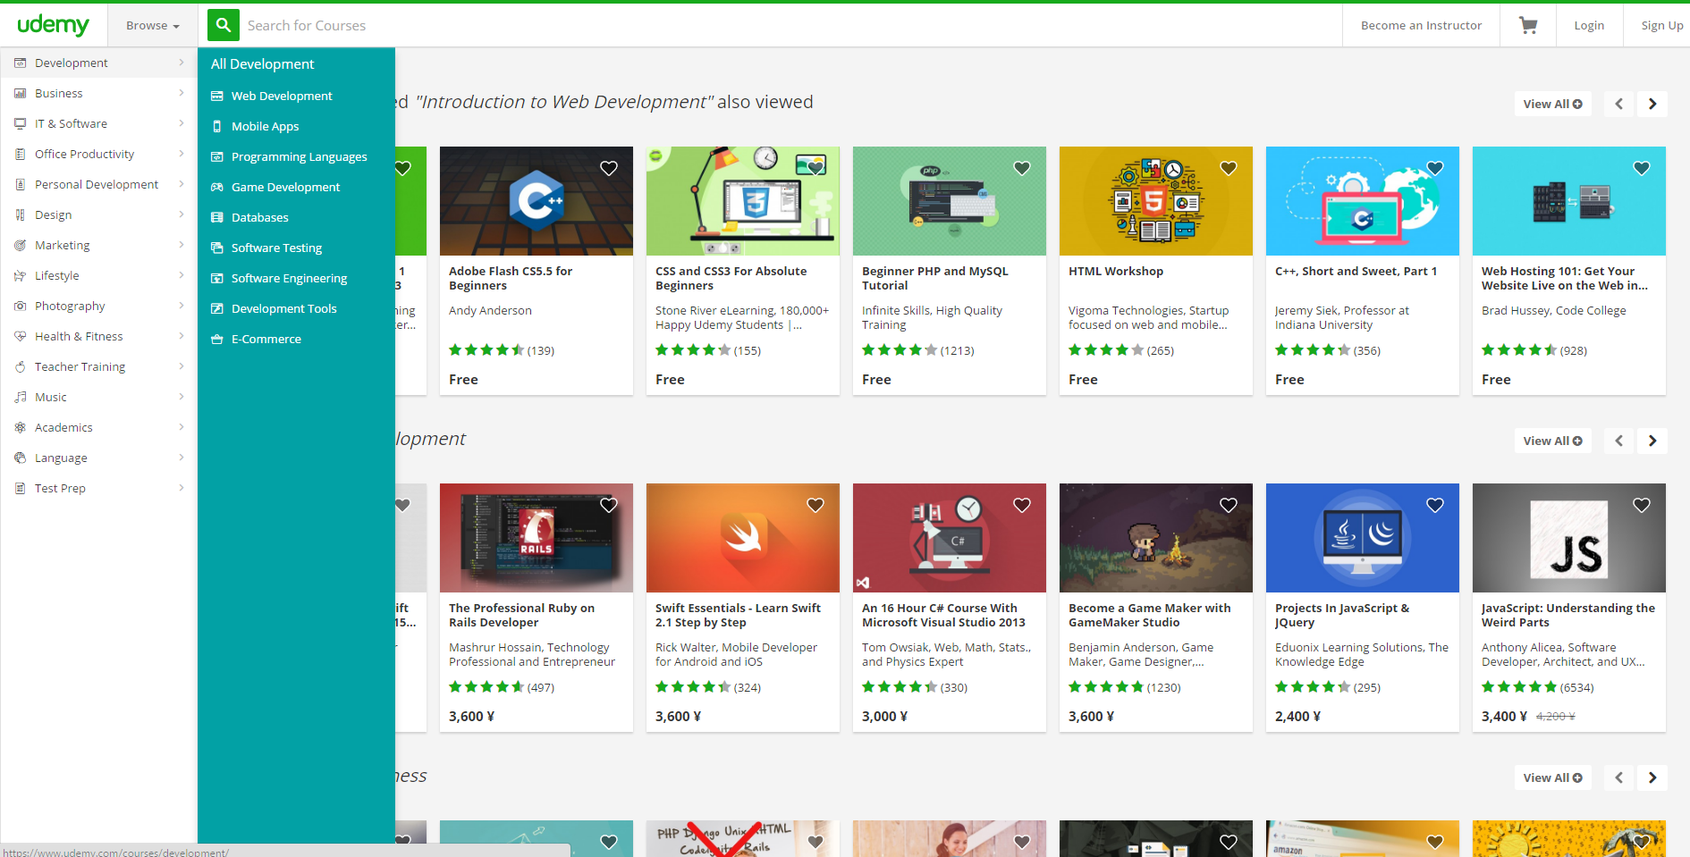
Documentation | (all reference docs)
Assessment | (assessment form) Some note: Aspects for rating product: - The completion of product. - UI/UX (can consult DONT MAKE ME THINK ebook) - Coding convention - Coding quality (DRY, SOLID, SMART principle) - Specs and manual documents.

